Success Criteria
 |  | Developer's Name: |  | Venkatesan Subramani
 |  | Developer's ID: |  | M1032535 |  | Evaluated By
 |  | 15.21 out of 22 |  | >= 15 to Certify |  | Reviewed By
# | Evaluation Criteria |  | Rating (1 to 5) | Weightage | Bonus (3 Points) | Actual Score | Rating criteria
1 | Standards, Conventions and Best Practices |  | 5 |  |  | 4.9 |  | Qualitative comments
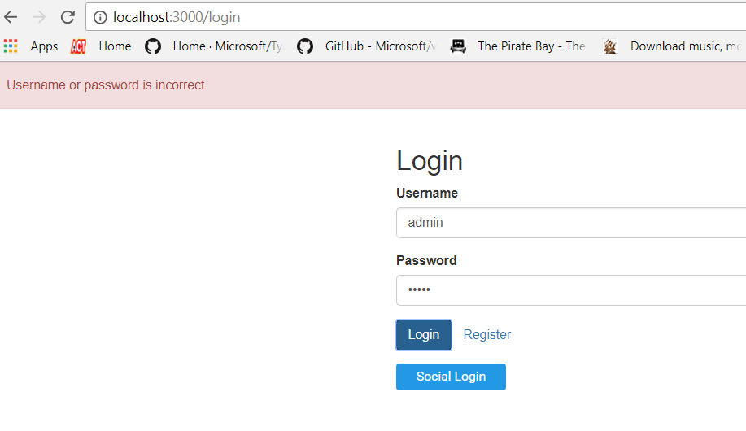
 | 1.1 | Ensure usage of HTML, CSS, JS, ES Linters | 5 | 25 |  | 1.25 | All lints: 5 JS, ES lint: 4 HTML, CSS, JS Lint: 3 HTML, CSS Lint: 2 None: 1 | New Comments: application is working as per expectation Old comments: Application is not working as expected 1. there is only one role and that is of "user", who can borrow and return the books, view the books 2. there is no role: "admin", who should be able to add/edit or delete a book, view all books and view all the books issued to different users Debugging/Error checking: no issues Running: Application is running as expected Testing: test cases not written properly covering all aspects Platform/Environment: Okay Performance: Satisfactory Old comment: couldn't check entire application performance as "admin" reltaed segments are not done otherwise satisfactory Others: nothing to mention
 | 1.2 | Zero major / critical issues through linters | 5 | 20 |  | 1 | Zero: 5 1 to 5: 3 6 to 8 : 1 8+ : -2
 | 1.3 | No. of minor issues through linters | 4 | 10 |  | 0.4 | 0 - 20 : 5 21 - 40 : 4 41 - 50 : 3 51 - 75: 2 75+: 1 BOUNS for zero minor defects
 | 1.4 | Ensure proper folder structure | 5 | 20 |  | 1 | Depends on usage of standard ReactJS structure, modularized, file naming conventions, separate production folder structure….
 | 1.5 | Usage of Webpack for prodution build and taken care of minify, bundling, gzip & lazy loading | 5 | 25 |  | 1.25 | Depends on the optimization techniques used to build prod ready code. BOUNS for customizing Webpack
2 | HTML5/CSS3/SASS/RWD |  | 4 |  |  | 2.8
 | 2.1 | Ensure proper usage of HTML5 semantics where requried | 5 | 20 |  | 1 | BONUS for using animations, transitions, optimized SVG icons
 | 2.2 | All pages are responsive to at least three resolutions (Small, Medium & Large) | 4 | 20 |  | 0.8 | Depends on no. of resolutions adhered. Ensure no horizontal scrolling on devices, mobile friendly pages, responsive images
 | 2.3 | Followed either of PrimeReact or Material UI or any standard base UI framework for ReactJS application | 4 | 25 |  | 1 | No deviation from Google material design, usage of SVG/glyph icons, optimized images
 | 2.4 | Ensure usage of SASS and followed any one of its design pattern | 0 | 35 |  | 0
3 | ReactJS + Redux |  | 8 |  |  | 4.11
 | 3.1 | Ensure latest version of ReactJS & Redux and properly defined dev & application dependecies | 4 | 10 |  | 0.4
 | 3.2 | Ensure proper usage of stateful components, props, routes, styled components & lazy loading | 4 | 20 | 2 | 1.2 | BONUS for observer/RX pattern in handling http responces
 | 3.3 | Ensure proper usage of routes and ability to apply right routing technique | 4 | 20 |  | 0.8
 | 3.4 | Ensure proper use of Redux core concepts & principles | 4 | 4 |  | 0.16 | Uasge of Pure functions, Single source of truth and uni directional state flow
 | 3.5 | Ensure proper usage of Redux structure, Reducers. Actions & Store | 4 | 15 | 2 | 0.9 | BONUS for implementing all reducers technique
 | 3.6 | Ensure build folder is present and all files requried for production environment are there according to best practices using Webpack | 3 | 10 |  | 0.3
 | 3.7 | Ensure usage of Progressive Web App design & service workers for caching and provide native app like experience on browsers | 3 | 5 |  | 0.15 | BONUS for implementing offline capability
 | 3.8 | Showcase debugging capability and application user experience which includes and not limited to. Time on task, no. of errors, page views/clicks, browser details, device details… | 4 | 5 |  | 0.2
4 | Performance, Testing, Browser compatibility |  | 5 |  |  | 3.4
 | 4.1 | Following performance criteria is met, - First meaningful paint - < 0.5 sec. - Time to interactive - < 1 sec. - Full page load - < 2 secs. | 4 | 20 |  | 0.8 | 0% variance: 5 >= 20% variance: 4 21 to 30% varuance: 3 31 to 40% variance: 2 > 40% variance: 1
 | 4.2 | Works on IE Edge, Firefox, Chrome latest versions. | 4 | 15 |  | 0.6 | Depends on the no. of browsers supported, alignment issues open
 | 4.3 | Works on iOS and Android device browsers | 4 | 15 |  | 0.6 | Depends on the no. of device browsers supported, alignment issues open
 | 4.4 | At least 50% test coverage using jest / enzyme | 1 | 20 |  | 0.2 | BONUS for more than 80% test coverage
 | 4.5 | Ensure usage of JSON files for all data and public apis where possible to retreive data | 4 | 30 |  | 1.2 | Depends on the usage of static data on the pages, js/ts files

